
 |  |  |  | CODE: |  |  | pl1277 ae SN from 00E200
DESCRIPTION: |  | EXTERNAL PARTS |  | EXTERNE TEILE | EXTERNES PARTIES | EXTERNAS PARTES | PARTI ESTERNE
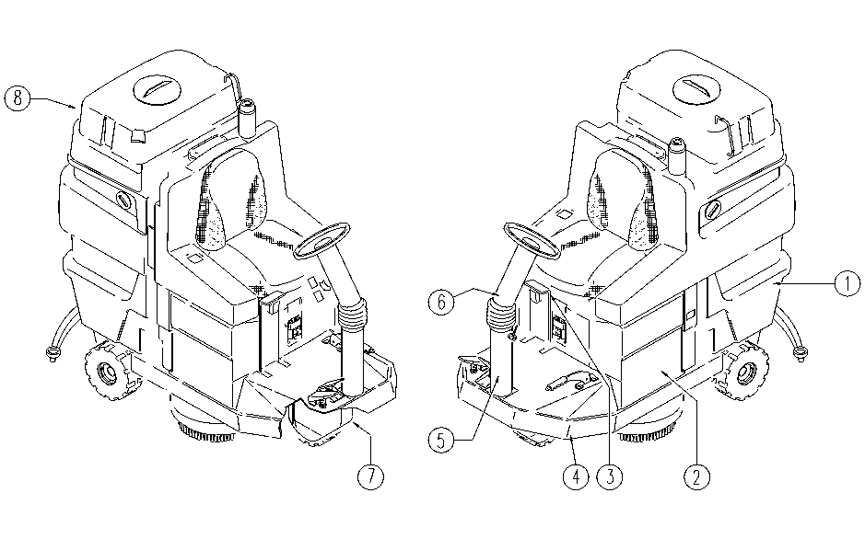

REF. | CODE | DESCRIPTION | QT
1 | SL17531VE | GREEN TANK | 1
1 | SL17531AS | GREY TANK | 1
1 | SL17531RO | RED TANK | 1
2 | SL17342NE | BLACK BOX | 1
2 | SL17342BC | RED BOX | 1
3 | SL09814F | HANDLE | 1
4 | SL39006 | FRAME | 1
5 | SL09696F | STEERING COLUMN | 1
6 | SL09697F | STEERING COLUMN | 1
7 | SL17337NE | CASE | 1
7 | SL17337BC | RED CASE | 1
8 | SL17516NE-2 | BLACK TANK | 1

